Authors and References

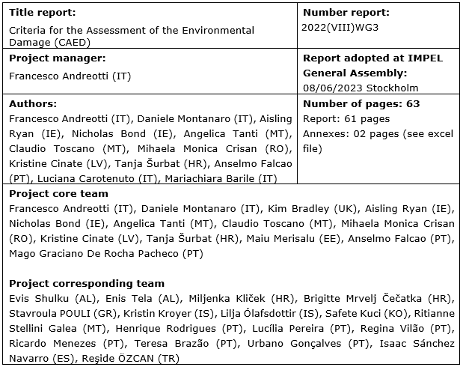
These ready-to-use Practical Tables are complementary to the "Practical Guide" of the IMPEL CAED 2022(VIII) WG3, downloadable at the following link:
https://www.impel.eu/en/projects/criteria-for-the-assessment-of-the-environmental-damage-caed

